Sheet1
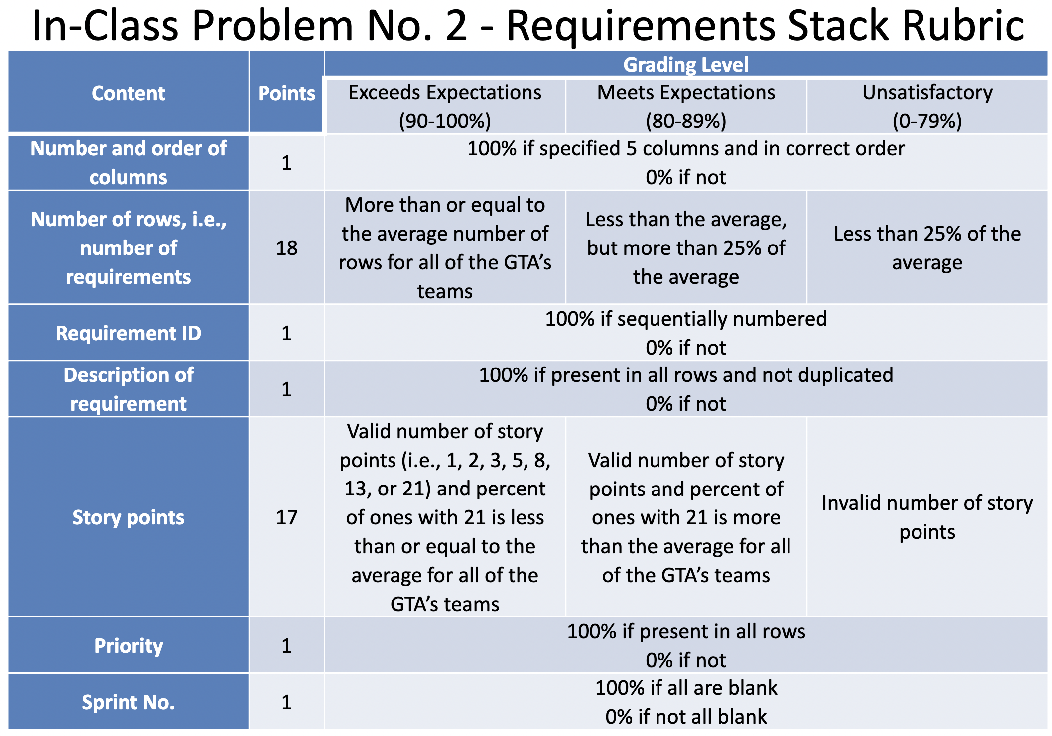
Requirement # | Description of Requirement | Story Points | Priority | Sprint #
1 | Add initial boilerplate code for a React/TypeScript/Tailwind project with Jest | 3 | 🌋 Urgent
2 | Add and populate the manifest.json file to amke the project be recognized as a Chrome Extension | 2 | 🌋 Urgent
3 | Make extension add a button to the Google Calendar page | 3 | 🌋 Urgent
4 | Display a full-page overlay, or a modal dialog when a button is pressed | 3 | 🌋 Urgent
5 | Render a grid of blank widgets for the future plugins | 1 | 🏕 Medium
6 | Add a day/week/month/year selection option to the header of the overlay. Changing the view mode should also change the view mode in the Google Calendar behind the extension | 3 | 🏝 Low
7 | Add a button to go to next/previous week. Also, support N and P keyboard shortcuts (which are already used by Google Calendar). Make sure the week displayed in the extension and in Google Calendar is synchronized | 3 | 🏝 Low
8 | Copy the name of current week/month/year from the Google Calendar header to the header of our overlay and make sure it stays in sync on changes to view mode or when going to next/previous week | 3 | 🏝 Low
9 | Add an oAuth integration so that the extension can get access to Google APIs on user's behaf | 8 | 🏔 High
10 | Integrate with Google Drive API so that extension can store it's data there | 8 | 🏔 High
11 | Add ability to set, edit and remove goals for total number of hours of events in a given calendar. Goals should be synced with Google Drive | 5 | 🏕 Medium
12 | Fetch events for current week/month/year from Google Calendar API. Alternatively, could scrape that data from the webpage (not recommended though, as it can break in the future, and won't work for the year view) | 8 | 🏕 Medium
13 | Calculate the current progress toward each goal the user set | 2 | 🏝 Low
14 | Display the progress toward each goal in a badge in the google calendar header. Piggy back on the colors of each calendar when displaying the badge. Clicking on the badge would open the overlay | 2 | 🏝 Low
15 | Display the progress toward each goal in a widget in the dashboard | 2 | 🏕 Medium
16 | Make the widget grid customizable. Allow changing the size of each widge, removing widgets and adding widgets. Make sure everything is keyboard accessible and screen reader accessible | 5 | 🏕 Medium
17 | Display a stacked area chart in a widget when in week view. The chart should spend the daily time spent on events from each calendar | 13 | 🏔 High
18 | Make stacked area chart work when in year view | 13 | 🏝 Low
19 | Make stacked area chart work when in day view | 2 | 🏝 Low
20 | Make stacked area chart work when in month view | 8 | 🏝 Low
21 | Allow exporting data from the stacked area chart as a JSON or CSV | 2 | 🏝 Low
22 | Add support for dark mode and use it if user indicated such preference in their system settings | 3 | 🏝 Low
23 | Add animations. Disable animations if user indicated so in system settings | 5 | 🏝 Low
24
25
26
27
28
29
30
31
32
33
34
35
36
37
38
39
40

